Sheet1
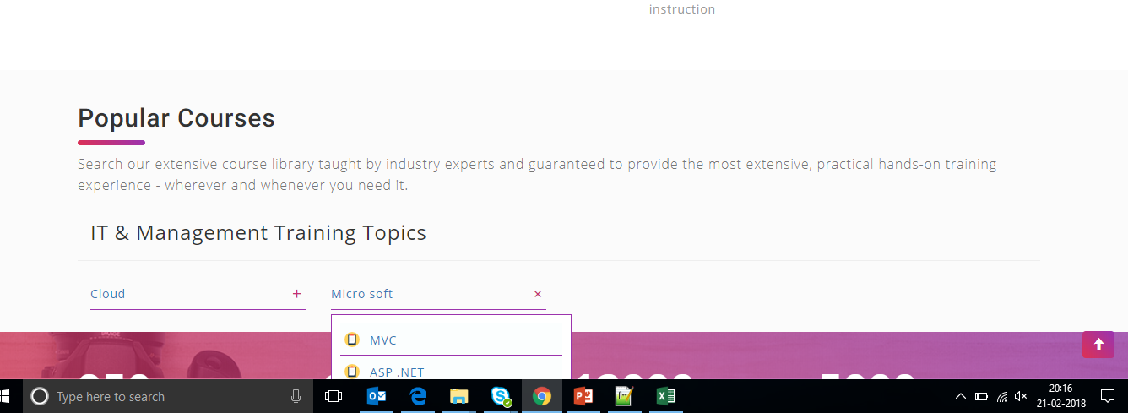
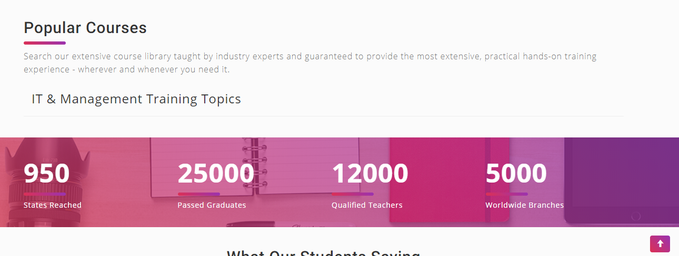
S.No | Activity | Description | Comments / Sample
1 | Logo Change | Replace Nubekins logo | Logo will be shared by Ram |  | I Renamed inet solution to nubekins
2 | Courses screen | It should be in the format | Cloud | AWS | I added data to json file - Done
 |  |  |  | Azure | I added data to json file - Done
 |  |  |  | Google Engine | I added data to json file - Done
 |  |  |  | IBM BlueMix | I added data to json file - Done

 |  |  | Micro soft | MVC | I added data to json file - Done
 |  |  |  | ASP .NET | I added data to json file - Done
 |  |  |  | C# | I added data to json file - Done

3 | Search Courses | Implement the option course search |  |  | Pending
4 | About US | Seems to be Home Screen. So need to change this |  |  | pending
5 | BackGround Image | Reduce the size of the background image |  |  | Done
6 | Technology Brands | Technology brands can be removed |  |  | Done
7 | Registration panel | As of now we can remove the course registration panel. Since database is yet to be added |  |  | Done
8 | Blog | As of now we can remove the Blog screen as well |  |  | Done
9 | Account | As of now hide Account button |  |  | Done
10 | Course Contents | Place the suitable image in the background with respect to courses |  | For Exmaple, If we choose AWS, then background image should be AWS | Done
11 | Course Description | Place background images against the courses in course description screen. |  |  | Done
12 | Site - Color Change | Now we have changed the logo color. So we need to change the site color also. | Light green color |  | Done
13 | Right Hand side Sroll bar | Please increase the size of the scroll bar and Some times right hand side scroll bar is not working |  |  | Done
14 | Scroll bar issue | Sometimes right hand scroll bar is not working. Not sure what is the issue | I try to reproduce the issue, as of now its working fine |  | Done
15 | Tab icon changes | Need to chagne tab icon | They will change. Only specify path and image name for logo as well tab icon. |  | Done
16 | Document for JSON | Need to create a document for JSON data add. |  |  | Done
17 | Course Description Screen | 1) Remove the courese features section 2) Directly shows the description rather than using more button |  |  | Done
18 | Dropdow | When user click the drop down, it should not hide in the bottom, so scroll bar will be adjusted automatically when click the drop down it will show all the drop down values | Kinldy set static height (Atleast ten rows will be visible for users). Refer below screen shot |  | Done
19 | List of courses in Home page | When I load the website in very first time, list of courses is not populated. I attached the screenshot for your reference | Refer below screen shot |  | Done

Json
Totally Three (3) Object Created. | PrimaryKey | foreign key
1.courses - Courses Having sub Courses | CoureseID(ID) | featureid(ID) ,lecturersid(ID) | 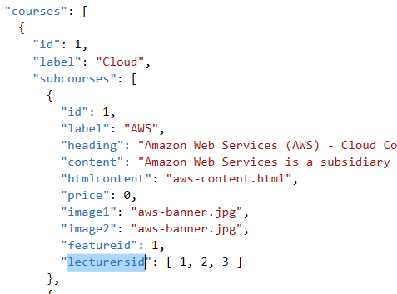 | 1. courses --> parent Course --> id --> Primary, 2.label --> parent Course label 5.htmlcontent : create html page link here - this should come courese details screen . 7. courese details screen header image . 8.featureid -- > featureid object key 9.lecturesid --> current course having lecturers get from lecturer object based on key (ID)
2.features - | featureid(ID) |  | 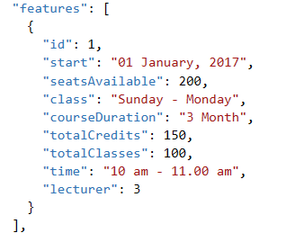
3.lecturers - |  |  | 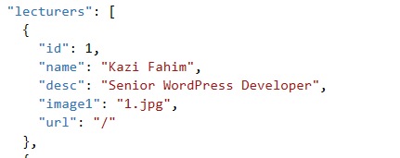 | image1--> lecturer image. Url: ---> Redirect url

